Rabiats literature review sheet
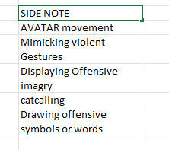
Paper Title | Authors | Year | Publication | Summary | Harrassment Categories (Labels)s | Dataset | Citation | Paper Hyperlink | Notes | List of actionalble items
Harassment in Social Virtual Reality: Challenges for Platform Governance | Blackwell et al. | 2019 | PACM on Human-Computer Interaction, Vol. 3, No. CSCW, Article 100. Publication date: November 2019. | The paper "Harassment in Social Virtual Reality: Challenges for Platform Governance" examines harassment in social VR environments. It highlights that users' definitions of harassment are subjective, making enforcement of platform-level policies challenging. The study finds that the sense of embodiment and presence in VR intensifies the experience of harassment, while the lack of standardized controls complicates the reporting and escape from such behaviors. Additionally, norms for appropriate behavior in social VR are still evolving, further complicating governance efforts. There was an interview of (n=25) | Verbal Harassment: This includes personal insults or hateful slurs directed towards individuals in the virtual environment. Physical Harassment: This encompasses simulated touching or grabbing, which can be particularly impactful due to the immersive nature of VR. Environmental Harassment: This type of harassment involves displaying graphic content on a shared screen within the VR space, affecting the environment experienced by users | Not Public | Blackwell, Lindsay, et al. "Harassment in social virtual reality: Challenges for platform governance." Proceedings of the ACM on Human-Computer Interaction 3.CSCW (2019): 1-25. | View Paper | 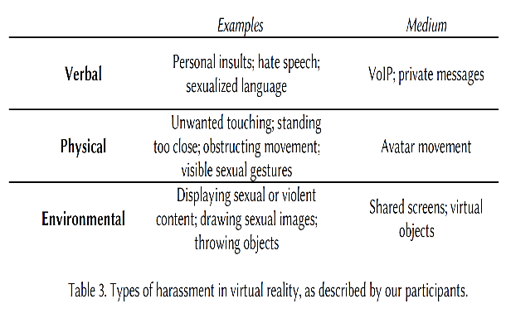 Flaming-Name calling or Insults Doxing-releasing personally identifiable info, such as home address or phone number "Indeed, in a survey of frequent users of HTC Vive, Oculus Rift, Playstation VR and Microsoft Windows Mixed Reality [40], 49% of female respondents described experiencing sexual harassment in VR, including being groped, stalked, or catcalled; being shown a lewd photograph; or hearing a sexually explicit comment. 36% of male respondents described experiencing the same."
Towards Leveraging AI-based Moderation to Address Emergent Harassment in Social Virtual Reality | Schulenberg et al. | 2023 |  |  |  |  |  | View Paper
The Most Social Platform Ever? A Survey about Activities & Motives of Social VR Users | Philipp Sykownik, Linda Graf, Christoph, Maic Masuch | 2021 | 2021 IEEE Virtual Reality and 3D User Interfaces (VR) | The paper surveys social VR users about their activities and motivations. Key findings are that most users engage in socializing and entertainment activities to satisfy social needs, experience immersion/escapism, and for personal growth. | Not Applicable | Survey data from 273 social VR users | Sykownik, P., Graf, L., Zils, C., & Masuch, M. (2021). The Most Social Platform Ever? A Survey about Activities & Motives of Social VR Users. 2021 IEEE Virtual Reality and 3D User Interfaces (VR). https://doi.org/10.1109/VR50410.2021.00079 | View Paper | Main user activities are socializing and entertainment. Motivations are social, experiential, and self-related.
An Investigation of Teenager Experiences in Social Virtual Reality from Teenagers’, Parents’, and Bystanders’ Perspectives | Elmira Deldari, Diana Freed, Julio Poveda, Yaxing Yao | 2023 | 19th USENIX Symposium on Usable Privacy and Security (SOUPS 2023) | The paper investigates teenager experiences and safety threats in social VR from 3 perspectives - teenagers, parents, and bystanders. It finds discrepancies in their perceptions of threats like virtual grooming, ability-based discrimination, etc. | Sexual, verbal, physical, Virtual grooming Ability-based discrimination Unforeseeable threats in privacy rooms | Interviews with 8 teenagers, 7 parents, and 9 bystanders | Deldari, E., Freed, D., Poveda, J., & Yao, Y. (2023). An Investigation of Teenager Experiences in Social Virtual Reality from Teenagers’, Parents’, and Bystanders’ Perspectives. In 19th USENIX Symposium on Usable Privacy and Security (SOUPS 2023) | View Paper | Key threats found include virtual grooming, erotic role-play, ability-based discrimination. Discrepancies exist between stakeholders' threat perceptions.
Learning About Catcalling: An Interactive Virtual Gallery Concept Raising Awareness for Street Harassment | Andre Helgert, Sabrina C. Eimler,Alexander Arntz | 2021 | 2021 IEEE International Conference on Artificial Intelligence and Virtual Reality (AIVR) | The paper introduces a virtual reality (VR) application designed to educate and sensitize individuals about street harassment, particularly targeting women. Referred to as Catcalling, this globally prevalent form of violence has gained renewed attention through social media activism. The proposed solution combines VR technology with interactive instruction settings inspired by museums, aiming to effectively reach victims, bystanders, and aggressors for lasting attitude and behavior change. The authors present a virtual gallery featuring curated interactive multimedia material, allowing visitors to explore, inform, raise awareness, and inspire empathy, perspective-taking, and behavioral change. The virtual world includes features such as a self-assessment test and opportunities for visitors to leave feedback and thoughts. The paper reports on the extension and evaluation of the original proof-of-concept prototype based on feedback from experts (N = 16) and a larger group, including students (N = 50). | Street harassment (Catcalling) | No specific external dataset; the study used interactive multimedia content in a VR environment. | Helgert, A., Eimler, S. C., & Arntz, A. (2021). Learning About Catcalling: An Interactive Virtual Gallery Concept Raising Awareness for Street Harassment. 2021 IEEE International Conference on Artificial Intelligence and Virtual Reality (AIVR), 1-8. | View Paper | The paper explores the potential of VR in influencing attitudes and behaviors toward societal challenges such as street harassment, using immersive experiences for education and awareness.
An Embodied Perspective as a Victim of Sexual Harassment in Virtual Reality Reduces Action Conformity in a Later Milgram Obedience Scenario | Solène Neyret, Xavi Navarro, Alejandro Beacco, Ramon Oliva, Pierre Bourdin, Jose Valenzuela,Itxaso Barberia, Mel Slater | 2020 | Scientific Reports | This study explores the impact of experiencing sexual harassment from an embodied perspective in virtual reality (VR) on later behavior in a Milgram obedience scenario. Male participants embodied as either a woman victim or a bystander in a VR sexual harassment scenario showed different levels of obedience when later instructed to administer shocks in a VR Milgram experiment. Those embodying the victim role were less likely to conform to harmful actions, suggesting that VR experiences can influence real-world behavior and attitudes. | Sexual Harrassment | Participants in VR scenarios, no specific external dataset used. | Neyret, S., Navarro, X., Beacco, A. et al. An Embodied Perspective as a Victim of Sexual Harassment in Virtual Reality Reduces Action Conformity in a Later Milgram Obedience Scenario. Sci Rep 10, 6207 (2020). https://doi.org/10.1038/s41598-020-62932-w | View Paper | nvestigates the psychological effects of embodiment in VR and its potential for altering responses to social pressure, specifically in the context of compliance to harmful actions.
Audio-Based Hate Speech Detection for the Metaverse using CNN | Robin Matthew Medina, Jae Min Lee, Judith Nkechinyere Njoku, Dong-Seong Kim | 2022 | Conference Paper | This paper presents a system using convolutional neural networks (CNN) to detect hate speech in the metaverse. It focuses on identifying and censoring hate speech and offensive words, considering the metaverse's potential for bullying through speech. The study uses a dataset of audio recordings, achieving a high accuracy in detecting hate speech | Hate speech | A dataset of 533 audio recordings of hate speech used for training and testing the CNN model. | Medina, R. M., Lee, J. M., Njoku, J. N., & Kim, D.-S. (2022). Audio-Based Hate Speech Detection for the Metaverse using CNN. Conference Paper. | View Paper | The research addresses the challenge of moderating hate speech in virtual environments like the metaverse, using audio data and machine learning. The use of CNN demonstrates the potential for automated systems to assist in creating safer virtual spaces. The results show that the CNN model achieved a test accuracy of 96.875 and a latency of 32ms
Harassment in Social VR: Implications for Design | Lindsay Blackwell, Nicole Ellison, Natasha Elliott-Deflo, Raz Schwartz | 2019 | IEEE Conference on Virtual Reality and 3D User Interfaces | The study examines users' experiences of harassment in social VR, highlighting the subjective nature of online harassment and the intensifying role of embodiment and presence in VR. It points out the lack of established norms for appropriate behavior and suggests the need for more granular controls for users to set personal boundaries and the potential for community-driven moderation tools. | Verbal, Physical, Spatial | Interviews with 25 VR users | Blackwell, L., Ellison, N., Elliott-Deflo, N., & Schwartz, R. (2019). Harassment in Social VR: Implications for Design. IEEE Conference on Virtual Reality and 3D User Interfaces, 854-855. | View Paper | qualitative inquiry that stresses the importance of considering users' subjective experiences when designing harassment mitigation strategies in VR environments.
From ‘Silly’ to ‘Scumbag’: Reddit Discussion of a Case of Groping in a Virtual Reality Game | Lucy A. Sparrow, Madeleine Antonellos, Martin Gibbs, Michael Arnold | 2020 | DiGRA 2020 | The paper investigates online discussions on Reddit regarding a case of virtual groping in VR, focusing on how users conceptualize the act, the ethics involved, the actions suggested in response, and the implications for the future of VR. It utilizes mixed methods, including thematic and quantitative content analysis, to understand community views on virtual harassment. | Virtual groping, sexual harassment in VR | Comments from Reddit discussions | Sparrow, L. A., Antonellos, M., Gibbs, M., & Arnold, M. (2020). From ‘Silly’ to ‘Scumbag’: Reddit Discussion of a Case of Groping in a Virtual Reality Game. DiGRA 2020. | View Paper | The study sheds light on the complexities of perceiving and addressing virtual harassment and the varying opinions on what constitutes harm in the virtual context | Teabagging and Groping
How Does It Feel to Be a Woman Victim of Sexual Harassment? The Effect of 360°-Video-Based Virtual Reality on Empathy and Related Variables | Sara Ventura, Georgina Cardenas, Marta Miragall, Giuseppe Riva, Rosa Baños | 2021 | Cyberpsychology, Behavior, and Social Networking | The study assesses the effectiveness of 360° VR videos in enhancing empathy towards women who are victims of sexual harassment. Using a male sample, it compares a VR task and a narrative task, finding that the VR experience increases empathy, perspective-taking, and a sense of oneness with the victim more effectively than the narrative task. | Sexuaol Harassment: Unsolicited photgraph, verbal sexual comments, Invaion of privacy , Physical intrusion | Male participants experiencing VR and narrative tasks | : Ventura, S., Cardenas, G., Miragall, M., Riva, G., & Baños, R. (2021). How Does It Feel to Be a Woman Victim of Sexual Harassment? The Effect of 360°-Video-Based Virtual Reality on Empathy and Related Variables. Cyberpsychology, Behavior, and Social Networking, 24(4). DOI: 10.1089/cyber.2020.0209 | View Paper | This study underlines the potential of immersive VR technology as a powerful tool to foster empathy and change attitudes towards gender-based violence, suggesting new directions for preventive and therapeutic interventions.

old sheet 1
Paper Title | Authors | Year | Publication | Summary | Harrassment Categories (Labels)s | Dataset | Citation | Paper Hyperlink | Notes
Harassment in Social Virtual Reality: Challenges for Platform Governance | Blackwell et al. | 2019 | PACM on Human-Computer Interaction, Vol. 3, No. CSCW, Article 100. Publication date: November 2019. | The paper "Harassment in Social Virtual Reality: Challenges for Platform Governance" examines harassment in social VR environments. It highlights that users' definitions of harassment are subjective, making enforcement of platform-level policies challenging. The study finds that the sense of embodiment and presence in VR intensifies the experience of harassment, while the lack of standardized controls complicates the reporting and escape from such behaviors. Additionally, norms for appropriate behavior in social VR are still evolving, further complicating governance efforts. There was an interview of (n=25) | Verbal Harassment: This includes personal insults or hateful slurs directed towards individuals in the virtual environment. Physical Harassment: This encompasses simulated touching or grabbing, which can be particularly impactful due to the immersive nature of VR. Environmental Harassment: This type of harassment involves displaying graphic content on a shared screen within the VR space, affecting the environment experienced by users | Not Public | Blackwell, Lindsay, et al. "Harassment in social virtual reality: Challenges for platform governance." Proceedings of the ACM on Human-Computer Interaction 3.CSCW (2019): 1-25. | View Paper | 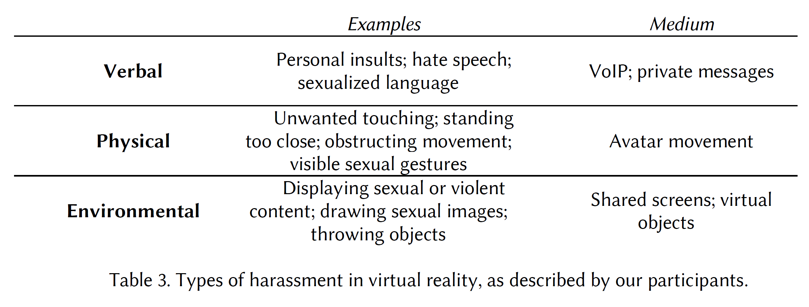 Flaming-Name calling or Insults Doxing-releasing personally identifiable info, such as home address or phone number "Indeed, in a survey of frequent users of HTC Vive, Oculus Rift, Playstation VR and Microsoft Windows Mixed Reality [40], 49% of female respondents described experiencing sexual harassment in VR, including being groped, stalked, or catcalled; being shown a lewd photograph; or hearing a sexually explicit comment. 36% of male respondents described experiencing the same."
Towards Leveraging AI-based Moderation to Address Emergent Harassment in Social Virtual Reality | Schulenberg et al. | 2023 |  |  |  |  |  | View Paper

